1
Username
******
Loin
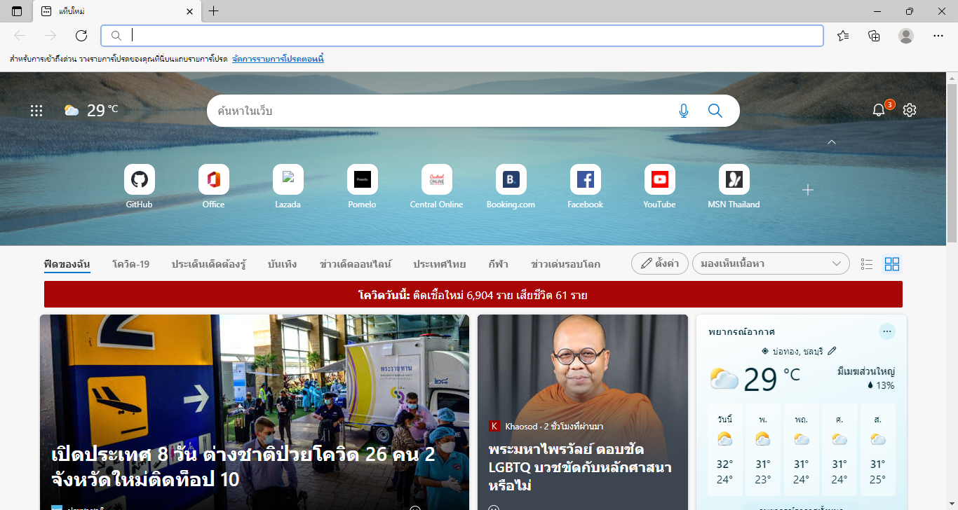

LOGO
Menu 1
Options
Menu 1

Menu 2
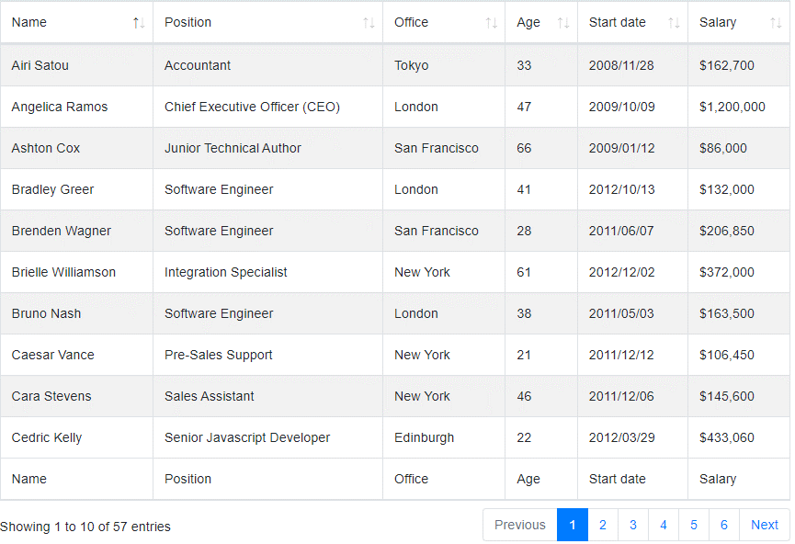

Success

Login fail.

Username

******

Loin

2
LOGO
Options
LOGO
Menu 1
Options
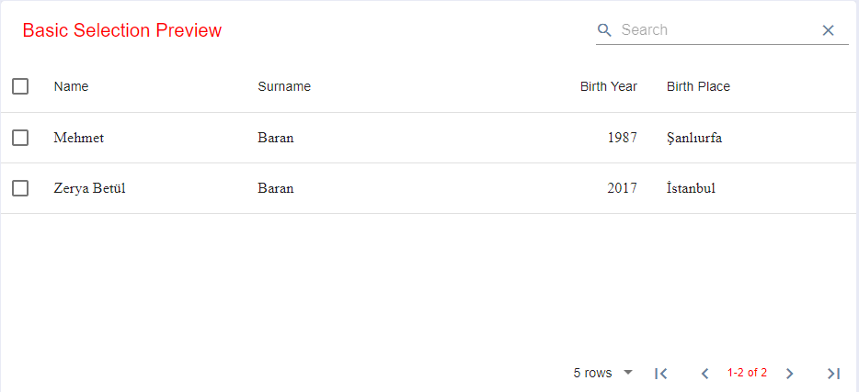
LOGO
Options
Menu 1
Menu 2
Menu 1
Menu 1
Import
Menu 2

Success
Upload

Description

LOGO
Options

Login fail.

Description

